Construction
SECTION 4 – IN-PROCESS INSPECTIONS Insert additional or delete unused rows as required. Include reference to specification.
Item No. | Activity/ Task Description | Specification/Drawing Reference | Acceptance Criteria | Verifying Document | Frequency | Inspection Type (Visual, other) | Inspection
 |  |  |  |  |  |  | Key | By (Role Key)
4.1 | Topsoil stripping | Project Specification Cl15.3.4 | Prior to commencing any clearance, the Contractor shall set up a site meeting with the Engineer to agree on the approach and any further site specific requirements The nominal depth to be stripped varies but shall be confirmed on site, depending on the actual depths available. If required, another method of measurement can be agreed with the Engineer. | CONQA Hold point approval | Prior to to topsoil stripping | Hold Point | H | ER
4.2 | Excavation | 80510096-02B-900-C217 Rev 1 | 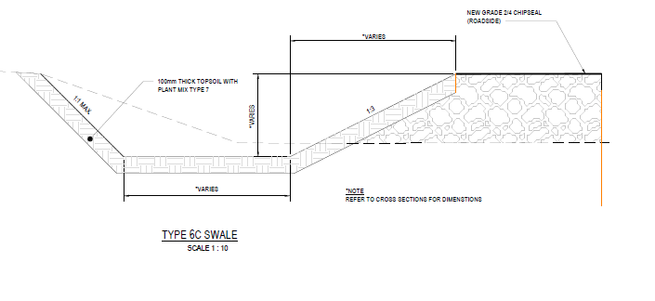 Slope batter to be 1:3 on the roadside of swale and 1:1max on opposite batter as per 80510096-02B-900-C217 Rev 1 | As-builts | during construction | Witness Point | W | SE
4.3 | Topsoil placement | Project Specification Cl 20.1.14 | The minimum topsoil depths for landscape planting areas (as required by NZTA P39) are as follows: * In grassed areas 100mm *On fill batters (3H: 1V or steeper) 300mm | Photos As-builts | during construction | Witness Point | W | SE
4.4 | Plant Mix | 80510096-02B-900-C217 Rev 1 | Plant mix type 7 on top of topsoil as per drawing | Photos | during construction | Witness Point | W | SE
4.5 | Tolerances | Project Specification Cl15.3.11 | Earthworks shall be constructed to the following tolerance: *Finished level ± 50 mm | As-builts | At completion | Witness Point | W | SV

